DATA DICTIONARY
Data Dictionary

The Booking_Details table contains essential details related to hotel reservations. It includes a unique booking identifier and information about the type of hotel (Resort Hotel or City Hotel). Additionally, it records the booking's cancellation status (0 for not canceled, 1 for canceled), lead time (number of days between booking and arrival), year, month, week number, and day of the month of arrival. The table also captures the number of weekend and weekday nights stayed.

Booking Analysis

The Meal_And_Stay_Details table complements the booking information by specifying meal-related and stay-related attributes. It connects to the Booking_Details table via the booking identifier. This table includes the type of meal booked (e.g., Bed & Breakfast, Half Board), the Average Daily Rate (ADR) for the stay, the number of required car parking spaces, and the total count of special requests made by the guest.

Meal & Stay Analysis

The Guest_Info table provides insights into the guests associated with each booking. It is linked to the Booking_Details table via the booking identifier. This table records the number of adults, children, and babies accompanying the booking, offering an understanding of the composition of guests for each reservation.

Guest Analysis

The Booking_Source_and_History table is crucial for understanding the source of bookings and the historical behavior of guests. It is connected to the Booking_Details table via the booking identifier. This table encompasses information such as the market segment (e.g., Online Travel Agents, Direct Booking), distribution channel (e.g., Online Travel Agents, Direct Booking), and whether the guest is a repeated visitor (0 for not repeated, 1 for repeated). Additionally, it records the number of previous booking cancellations, previous bookings that were not canceled, the deposit type (e.g., No Deposit, Non-Refund), the booking agent's ID, the company's ID, the number of days a booking spent on the waiting list, and the customer type (e.g., Transient, Group).
Booking Source & History Analysis

The Reservation_Status table records the status of reservations over time. It is connected to the Booking_Details table through the booking identifier. This table captures the reservation's last status (e.g., Canceled, Check-Out) and the date on which this status was recorded. It is valuable for tracking the progression of reservations and understanding their final outcomes.
Reservation Analysis

Q.1
Understand the distribution of arrival dates, including the most common arrival days and summary statistics for lead times.

SQL QUERY
Visualization

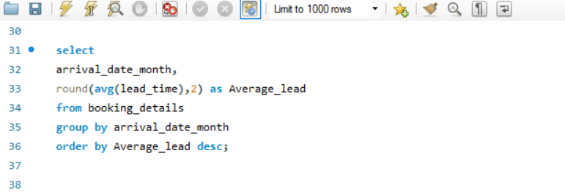
Distribution of arrival dates & Average_lead

Insight
Output
Key Observations:
Peak Lead Times: September (136.68 days) and July (136.32 days) have the highest average lead times — meaning guests book their stays well in advance for these months.
Summer & Early Fall: June, July, August, and September all have high lead times (120–137 days). This suggests these are peak or high-demand seasons, likely due to summer holidays and favorable weather.
Moderate Lead Times: October and May also see relatively long lead times (118–123 days), indicating these shoulder months are planned in advance too.
Short Lead Times: January (45.31 days) and February (47.86 days) have the lowest average lead times, showing bookings are often more last-minute after the holiday season.
Off-Peak Months: March, November, and December have moderate to low lead times (70–76 days), possibly indicating off-peak or shoulder seasons with more spontaneous bookings.
Practical Implication:
This pattern helps hotels forecast demand and manage pricing. They can expect longer booking windows for peak summer and early fall, and shorter windows in winter and early spring.
Marketing campaigns and promotional offers can be planned accordingly — more aggressive last-minute deals for winter months, and early-bird offers for summer.

arrival_date_month | Average_lead
September | 136.68
July | 136.32
June | 128.25
October | 122.99
August | 121.14
May | 117.65
April | 94.82
November | 76.58
December | 73.56
March | 70.12
February | 47.86
January | 45.31

Q.2
Identify peak booking months and analyze reasons for spikes in bookings, including holidays or events.

SQL QUERY
Visualization

Monthly Booking pattern
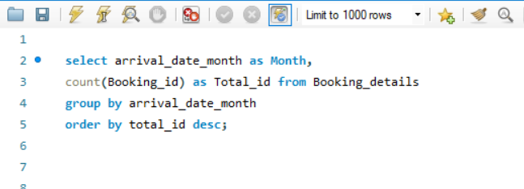

Output

Insight

Key Observations:
1.Peak Booking Months: August (13,877) and July (12,661) have the highest number of bookings, followed by May (11,791) and October (11,160). This suggests that summer and early autumn are the busiest months for guest arrivals.
2.Strong Spring Performance: April and June also see high booking volumes (around 11,000), showing that spring and early summer are strong periods.
3.Moderate Demand: September and March have moderate bookings (around 10,000), indicating stable activity during late summer and early spring.
4.Lowest Booking Months: January (5,929), December (6,780), and November (6,794) have the lowest booking volumes, likely due to post-holiday slowdown and off-season travel trends. February is slightly higher but still low at 8,068.
Practical Implication:
The pattern indicates clear seasonality — with peak demand in summer and low demand in winter.
Hotels can use this to plan staffing, inventory, promotions, and pricing — for example, higher rates and stricter cancellation policies during summer, and discounts or packages to boost occupancy in winter.
Marketing efforts can focus on early booking promotions for summer months and last-minute deals or special events for off-peak months.
Month | Total_ID
August | 13877
July | 12661
May | 11791
October | 11160
April | 11089
June | 10939
September | 10508
March | 9794
February | 8068
November | 6794
December | 6780
January | 5929

Q.3
Calculate the average length of stays for different hotel types and explore variations by meal plans.

Visualization
SQL QUERY

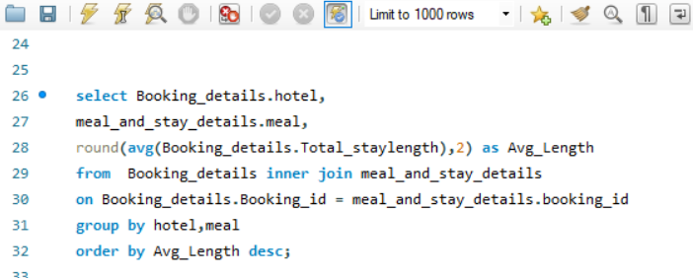

Insight
Output
Key Observations:
Resort Hotels:Guests staying at Resort Hotels tend to have higher average values (likely stays per guest, or spend per stay — depending on what the number represents — here it’s 6.79 for SC).
City Hotels:City Hotel guests show lower average values across all meal types compared to Resort Hotels.
Practical Implication:
Resort Hotels attract longer-staying or higher-spending guests who prefer self-catering or meal plans — so focusing on diverse dining options, on-site kitchens, and flexible packages would align with guest preferences.
City Hotels guests appear to prefer basic inclusions (BB) and eat out more, so offering convenient breakfast options and local dining recommendations can enhance guest experience.
This insight can help tailor marketing strategies, pricing, and service design for each hotel type.

Hotel | Meal | Avg_Length
Resort Hotel | SC | 6.79
Resort Hotel | HB | 5.57
Resort Hotel | Undefined | 4.27
Resort Hotel | FB | 4.07
Resort Hotel | BB | 3.98
City Hotel | BB | 3.01
City Hotel | SC | 2.9
City Hotel | HB | 2.78
City Hotel | FB | 2.73

Q.4
Analyze how booking patterns have evolved over the years, including yearoveryear changes in bookings and cancellations.

SQL QUERY
Visualization

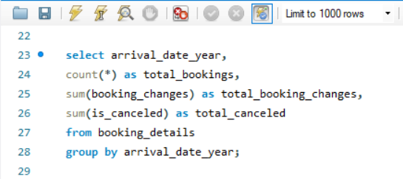
Booking pattern by year

Insight
Output
Key Observations:
Growth Trend:
Bookings increased significantly from 21,996 in 2015 to 56,707 in 2016 — a 158% increase, showing major growth.
Booking Changes:
Total booking changes also rose with total bookings:
3,908 in 2015 → 12,750 in 2016 → 9,742 in 2017.
The number of changes remains high, showing that guests frequently modify their reservations — flexibility may be an important factor for customers.
Cancellations:
Cancellation volume is high across all years:
8,142 in 2015 (37% of bookings)
20,337 in 2016 (36% of bookings)
15,745 in 2017 (39% of bookings).
The cancellation rate stays high (~36–39%), which could impact revenue predictability and operational planning.
Practical Implications:
The large jump in bookings from 2015 to 2016 shows successful marketing or expansion but the drop in 2017 signals a need to analyze why bookings declined — maybe guest satisfaction, competition, or market shifts.
High cancellation rates highlight the importance of clear cancellation policies, flexible booking options, or incentives for non-refundable bookings to protect revenue.
Frequent changes suggest that flexibility and easy modification options are valued by guests — maintaining good customer support for changes could boost satisfaction.

Arrival_date_Year | total_bookings | total_booking_channges | total_canceled
2016 | 56707 | 12750 | 20337
2017 | 40687 | 9742 | 15745
2015 | 21996 | 3908 | 8142

Q.5
Understand the distribution of the number of adults, children, and babies and identify any outliers.

Visualization
SQL QUERY

Total adults by no. of adults
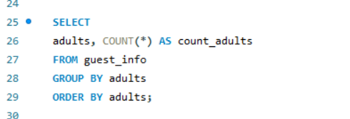
Total children by no. of children

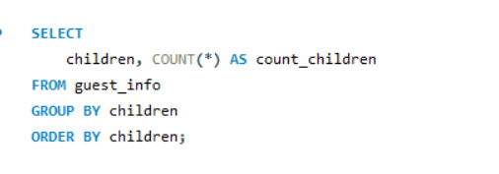

Total babies by no. of babies

Output

Insight
Insights:
1.The majority of bookings are for 1–2 adults with no children or babies, indicating the hotel’s core market is solo travelers, couples, or business guests.
2.Family stays (with children or babies) form a small segment of total bookings.
3.There are some clear data outliers (e.g., 55 adults, 10 babies) — these should be cleaned or checked during data preprocessing, as they are unrealistic.
4.Marketing and services can be tailored mainly towards couples and solo travelers, with family-friendly options as a smaller but important secondary focus.
adults | Count_adults | Children | count_children | babies | count_babies
0 | 403 | 0 | 110800 | 0 | 118473
1 | 23027 | 1 | 4861 | 1 | 900
2 | 89680 | 2 | 3652 | 2 | 15
3 | 6202 | 3 | 76 | 9 | 1
4 | 62 | 10 | 1 | 10 | 1
5 | 2
6 | 1
10 | 1
20 | 2
26 | 5
27 | 2
40 | 1
50 | 1
55 | 1

Q.6
Calculate summary statistics for ADR and explore differences between Resort Hotel and City Hotel bookings.

Visualization
SQL QUERY

Hotel by Avg_adr
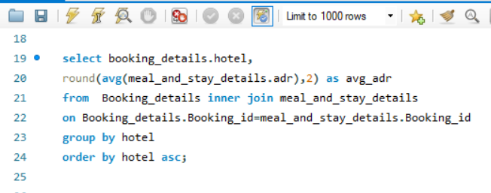

Output
Insight

Insights:
City Hotels have a higher average daily rate (ADR) at 105.3, compared to Resort Hotels at 94.95.
This suggests City Hotels generally charge more per night, likely due to urban location advantages, business travelers, or higher demand in cities.
Resort Hotels have slightly lower ADRs, possibly to attract longer leisure stays or family guests.
Key takeaway:
City Hotels generate higher nightly revenue per room on average.
Hotel | avg_adr
City Hotel | 105.3
Resort Hotel | 94.95

Q.7
Analyze the distribution of required car parking spaces for each hotel type and determine if one type attracts more guests with cars.

Visualization
SQL QUERY

Total_Car_Parking By Hotel Type

Output
Insight

insight:
Resort Hotels have a much higher total car parking count (5,531) compared to City Hotels (1,933).
This indicates that guests at Resort Hotels are more likely to arrive by car, probably due to remote or leisure destinations that require private transport.
City Hotels have fewer parking slots, likely because guests use public transport, taxis, or walk due to urban location convenience.
Key takeaway:
Parking is a more critical amenity for Resort Hotels than for City Hotels.

Hotel | Total_Car_Parking
Resort Hotel | 5531
City Hotel | 1933

Q.8
Compare the total number of special requests made by different customer types (e.g., Transient, Group) and identify which customer type makes more requests.

Visualization

SQL QUERY
Total special request by customer type

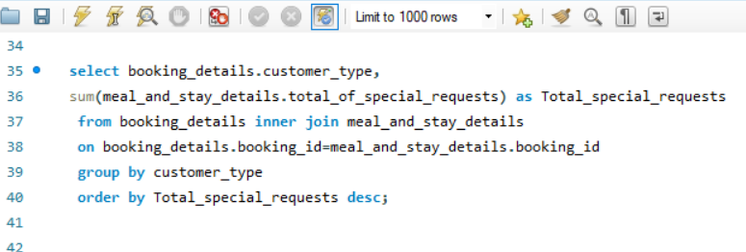

Output
Insight

insight:
Transient guests have by far the most special requests (56,598) — these are individual travelers, so they likely have more personalized needs.
Transient-Party guests have the next highest (8,274), reflecting that small leisure groups or families also make frequent requests.
Contract customers (corporate or long-term) and Groups have far fewer special requests (2,971 and 372, respectively), likely because their stays are more standardized or managed through agreements.
Key takeaway:
Individual travelers generate the majority of special requests, so hotels should focus on personalized service for them.
Customer_type | Total_special_request
Transient | 56598
Transient-Party | 8274
Contract | 2971
Group | 372

Q.9
Understand the distribution of meal plans (e.g., BB, HB, FB, SC) and identify any patterns or preferences.

Visualization
SQL QUERY
Total_bookings By Meals

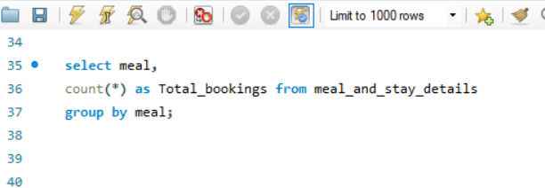

Insight
Output

Insights:
Resource Allocation: The establishment should prioritize resources (staffing, food purchasing, kitchen capacity) towards the BB option, as it generates the most demand.
Menu and Service Customization: For HB and SC, understanding the specific needs of these guests can help tailor services or offerings (e.g., specific dinner menus for HB, well-equipped kitchenettes for SC).
Pricing Strategy: The pricing for different meal plans should reflect their popularity and perceived value. There might be an opportunity to review the pricing and offerings for FB to make it more appealing, or conversely, to de-emphasize it if the demand is consistently low.
Data Integrity: Investigating and resolving the 'Undefined' category will lead to more reliable data and better decision-making.
Promotional Activities: Marketing and promotional activities should be aligned with the most popular meal plans, particularly BB, while also subtly promoting HB and SC to their respective target segments.
Meal | Total_bookings
BB | 92310
HB | 14463
SC | 10650
Undefined | 1169
FB | 798

Q.10
Analyze Average Daily Rates (ADR) by meal plan type to identify variations in pricing.

Visualization
SQL QUERY

Average_adr by Meal plan

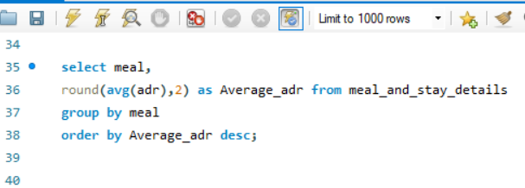

Output
Insight

Brief Insights :
The highest average daily rate is associated with Half Board (HB) at 120.31, followed by Full Board (FB) at 109.06. Bed & Breakfast (BB) and Self-Catering (SC) have similar ADRs of 99.4 and 98.29 respectively, both notably lower than HB and FB. The lowest ADR is for Undefined meal types at 91.91.
Key Takeaway:
While BB is the most booked meal plan (from the previous data), HB and FB command significantly higher average daily rates, indicating that guests are willing to pay more for more inclusive meal packages, particularly for Half Board. This suggests that the perceived value or convenience of having more meals included directly translates to a higher price point for the accommodation.
Meal | Average_adr
HB | 120.31
FB | 109.06
BB | 99.4
SC | 98.29
Undefined | 91.91

Q.11
Investigate the distribution of required car parking spaces and special requests by hotel type and meal plan.

SQL QUERY
Visualization

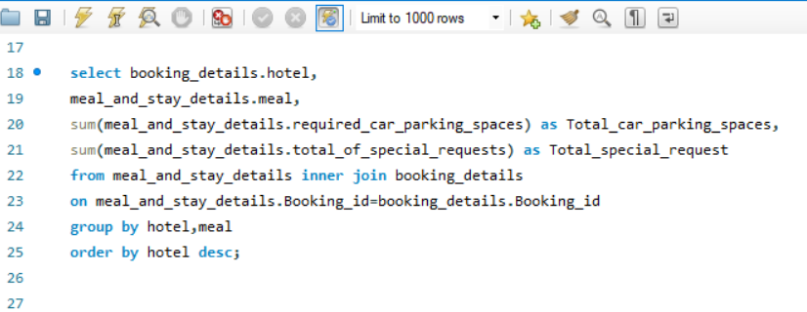

Output
Insight

Brief Insights:
The data shows the breakdown of car parking spaces requested and special requests made per meal type for both Resort Hotels and City Hotels.
Resort Hotels:
BB (Bed & Breakfast) leads significantly in both requested car parking spaces (4545) and special requests (19494).
HB (Half Board) also shows substantial numbers for both car parking (879) and special requests (4916).
FB (Full Board), SC (Self-Catering), and Undefined meal types have very low numbers for both categories.
City Hotels:
BB (Bed & Breakfast) again dominates in special requests (32685) but has fewer car parking spaces requested (1591) compared to Resort Hotel BB.
SC (Self-Catering) has a surprisingly high number of special requests (7914) relative to its car parking requests (231) in City Hotels.
HB (Half Board) shows moderate numbers.
FB (Full Board) has extremely low numbers.
Key Takeaway:
Across both hotel types, Bed & Breakfast (BB) meal plans are consistently associated with the highest volume of special requests, indicating that guests booking BB often have specific needs or preferences. Additionally, there's a strong correlation between BB and car parking space requests at Resort Hotels, suggesting these guests frequently arrive by car. Conversely, Full Board (FB) guests generally have the fewest car parking needs and special requests in both hotel types. The high special request volume for Self-Catering (SC) at City Hotels is a notable difference, suggesting guests choosing SC in urban settings may have more specific needs.
Hotel | Meal | Total_car_parking_spaces | Total_special_request
Resort Hotel | BB | 4545 | 19494
Resort Hotel | FB | 53 | 174
Resort Hotel | HB | 879 | 4916
Resort Hotel | SC | 10 | 38
Resort Hotel | Undefined | 44 | 206
City Hotel | BB | 1591 | 32685
City Hotel | FB | 2 | 12
City Hotel | HB | 109 | 2776
City Hotel | SC | 231 | 7914

Q.12
Understand the distribution of bookings across different market segments and calculate summary statistics for lead times within each segment.

Visualization
SQL QUERY
Total booking by market segment and lead time

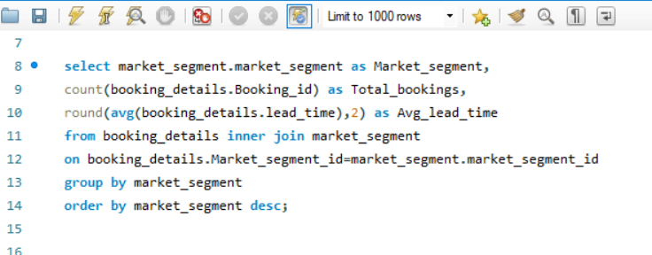

Output
Insight

Key Takeaway:
The business heavily relies on Online TAs for the highest volume of bookings, suggesting a strong digital presence is crucial. However, Offline TAs/TOs and Groups contribute significant bookings with much longer lead times, indicating these segments plan their stays well in advance. This insight is critical for forecasting, inventory management, and developing targeted marketing strategies for segments with different booking behaviors. For instance, campaigns for Groups can be planned far ahead, while Corporate and Direct bookings might require more immediate attention and last-minute offers.
Market_segment | Total_bookings | Avg_lead_time
Undefined | 2 | 1.5
Online TA | 56477 | 83
Offline TA/TO | 24219 | 135
Groups | 19811 | 186.97
Direct | 12606 | 49.86
Corporate | 5295 | 22.13
Complementary | 743 | 13.29
Aviation | 237 | 4.44

Q.13
Analyze the distribution of bookings through different booking channels (e.g., online travel agents, direct bookings) and calculate the percentage of bookings through each channel.

SQL QUERY
Visualization

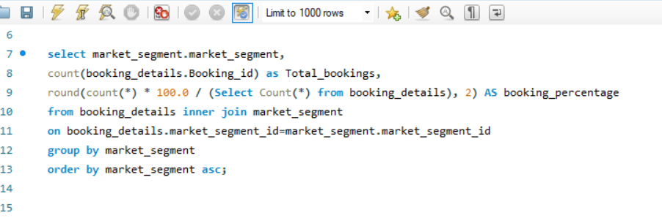
Total_booking by channels and booking percentage

Output
Insight

Key Takeaway:
The business has a heavy reliance on Online Travel Agents (nearly half of all bookings). While Online TAs are crucial for volume, the combined contribution of Offline TAs/TOs and Groups (over 36%) highlights the importance of traditional travel channels and group sales. This means a balanced strategy is needed: optimizing presence and conversion on online platforms while also nurturing relationships with traditional agents and managing group sales effectively. Diversification beyond just online channels is evident and important for overall booking stability.
Market_segment | Total_booking | booking_percentage
Aviation | 237 | 0.2
Complementary | 743 | 0.62
Corporate | 5295 | 4.44
Direct | 12606 | 10.56
Groups | 19811 | 16.59
Offline TA/TO | 24219 | 20.29
Online TA | 56477 | 47.3
Undefined | 2 | 0

Q.14
Calculate the proportion of repeated guests and investigate their booking behavior. Identify any patterns or differences in preferences compared to firsttime guests.

Visualization
SQL QUERY

Booking behavior of repeated guest

Insight
Output
Key Takeaway:
The business has an extremely low rate of repeat customers. This indicates a significant opportunity for improvement in customer retention strategies. While acquiring new customers is important, focusing on initiatives to encourage repeat business could lead to more stable revenue streams and potentially lower marketing costs in the long run.

is_repeated_guest | total_booking | percentage
0 | 115580 | 96.81
1 | 3810 | 3.19

 |  |  | Row Labels | Sum of total_booking
 |  |  | 0 | 115580
 |  |  | 1 | 3810
 |  |  | Grand Total | 119390

Q.15
Explore the impact of a guest's booking history on their likelihood of canceling a current booking. Calculate cancellation rates based on previous cancellations and noncanceled bookings.

SQL QUERY
Visualization

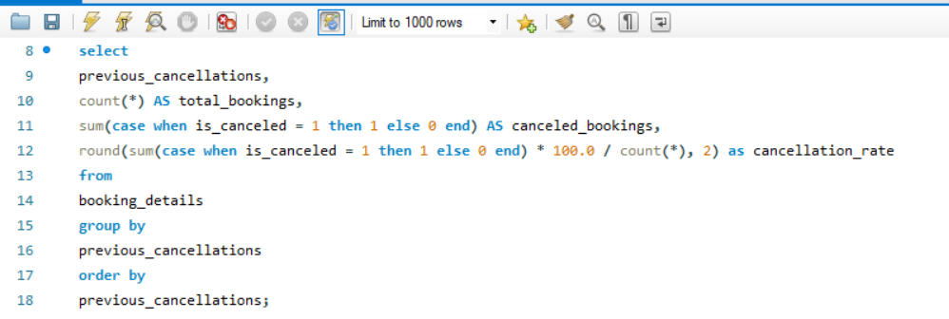
Impact of guest booking on current canceling

Output
Insight

Key Takeaway:
The most crucial insight is that guests who have canceled once before (previous_cancellation = 1) are highly likely to cancel again, with a near 95% cancellation rate. While overall cancellation rates are high (around 33-34% for new bookers), identifying and potentially flagging or requiring pre-payment from guests with a single prior cancellation could significantly reduce future cancellations. Bookings from guests with very high numbers of prior cancellations (e.g., 14 or more) are almost guaranteed to be canceled, suggesting these might be problematic bookings.
previous_cancellation | total_bookings | canceled_booking | cancellation_rate
0 | 112906 | 38282 | 33.91
1 | 6051 | 5714 | 94.43
2 | 116 | 38 | 32.76
3 | 65 | 20 | 30.77
4 | 31 | 7 | 22.58
5 | 19 | 2 | 10.53
6 | 22 | 7 | 31.82
11 | 35 | 10 | 28.57
13 | 12 | 11 | 91.67
14 | 14 | 14 | 100
19 | 19 | 19 | 100
21 | 1 | 1 | 100
24 | 48 | 48 | 100
25 | 25 | 25 | 100
26 | 26 | 26 | 100

 |  |  |  | Row Labels | Sum of total_bookings | Sum of canceled_booking
 |  |  |  | 0 | 112906 | 38282
 |  |  |  | 1 | 6051 | 5714
 |  |  |  | 2 | 116 | 38
 |  |  |  | 3 | 65 | 20
 |  |  |  | 4 | 31 | 7
 |  |  |  | 5 | 19 | 2
 |  |  |  | 6 | 22 | 7
 |  |  |  | 11 | 35 | 10
 |  |  |  | 13 | 12 | 11
 |  |  |  | 14 | 14 | 14
 |  |  |  | 19 | 19 | 19
 |  |  |  | 21 | 1 | 1
 |  |  |  | 24 | 48 | 48
 |  |  |  | 25 | 25 | 25
 |  |  |  | 26 | 26 | 26
 |  |  |  | Grand Total | 119390 | 44224

Q.16
Understand the distribution of reserved and assigned room types. Calculate summary statistics for the consistency between reserved and assigned room types.

SQL QUERY

Insight

Key Takeaway:
A significant majority of bookings (nearly 87.5%) are "matched," indicating a generally good alignment or successful processing of bookings. However, a mismatch rate of almost 12.5% is notable and suggests that a substantial number of bookings (around 1 in 8) encounter some form of discrepancy or issue. Addressing these mismatches could improve operational efficiency, customer satisfaction, and potentially reduce revenue leakage or data inaccuracies. Understanding the root causes of these mismatches would be the next crucial step.
Output

total_booking | matched_booking | mismatched_booking | match % | mismatch %
119390 | 104473 | 14917 | 87.51 | 12.49

Q.17
Analyze the impact of booking changes on cancellation rates. Calculate cancellation rates for bookings with different numbers of changes.

SQL QUERY
Visualization

Impact of booking changes on cancellation rate

Insight
Output

Key Takeaway:
Counterintuitively, bookings that undergo no changes (0 changes) have the highest cancellation rate, while bookings with a small number of changes (1 to 5 changes) are significantly less likely to be canceled. This suggests that guests who actively manage or modify their bookings are more committed to their stay. The high cancellation rate for unchanged bookings might indicate impulsive bookings or those made without firm plans, leading to a higher likelihood of cancellation. Encouraging guests to confirm details or make minor adjustments after initial booking could potentially lead to lower cancellation rates.
booking_changes | total_booking | cancellation_rate
0 | 101314 | 40.85
1 | 12701 | 14.23
2 | 3805 | 20.13
3 | 927 | 15.53
4 | 376 | 17.82
5 | 118 | 16.95
6 | 63 | 28.57
7 | 31 | 9.68
8 | 17 | 23.53
9 | 8 | 12.5
10 | 6 | 16.67
11 | 2 | 0
12 | 2 | 0
13 | 5 | 0
14 | 5 | 20
15 | 3 | 0
16 | 2 | 50
17 | 2 | 0
18 | 1 | 0
20 | 1 | 0
21 | 1 | 0

Q.18
Explore how room type preferences vary across different customer types (e.g., Transient, Group). Identify if certain customer types have specific room preferences.

Visualization
SQL QUERY
Room preferences by customer type
 | Contract | Group | Transient | Transient-Party
A | 2867 | 365 | 60948 | 21814
B | 75 | 6 | 637 | 400
C | 10 | 5 | 828 | 89
D | 843 | 143 | 16420 | 1795
E | 177 | 33 | 5569 | 756
F | 102 | 10 | 2663 | 122
G | 1 | 12 | 1957 | 124
H | 1 | 2 | 574 | 24
L |  |  | 6
P |  | 1 | 11
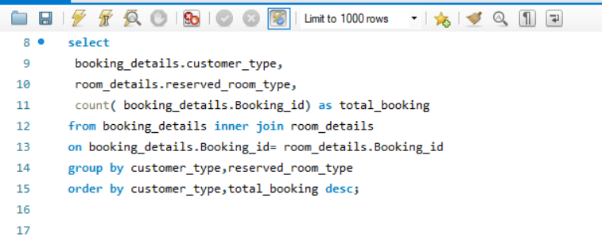

Insight
Output

Key Takeaway:
The business is overwhelmingly dominated by "Transient" bookings, particularly for Room Type A. This indicates that individual travelers are the primary customer base, and Room Type A is their preferred choice. While other customer types (Transient-Party, Contract, Group) and room types exist, their booking volumes are significantly lower. Therefore, optimizing the offering and marketing for Transient customers and Room Type A should be the top priority, while still managing the smaller, distinct needs of other segments. The low booking numbers for certain room types (e.g., L, P, H) might warrant a review of their market demand or operational efficiency.
customer_type | reserved_room_type | total_booking
Contract | A | 2867
Contract | D | 843
Contract | E | 177
Contract | F | 102
Contract | B | 75
Contract | C | 10
Contract | G | 1
Contract | H | 1
Group | A | 365
Group | D | 143
Group | E | 33
Group | G | 12
Group | F | 10
Group | B | 6
Group | C | 5
Group | H | 2
Group | P | 1
Transient | A | 60948
Transient | D | 16420
Transient | E | 5569
Transient | F | 2663
Transient | G | 1957
Transient | C | 828
Transient | B | 637
Transient | H | 574
Transient | P | 11
Transient | L | 6
Transient-Party | A | 21814
Transient-Party | D | 1795
Transient-Party | E | 756
Transient-Party | B | 400
Transient-Party | G | 124
Transient-Party | F | 122
Transient-Party | C | 89
Transient-Party | H | 24

 |  |  | Sum of total_booking | Column Labels
 |  |  | Row Labels | Contract | Group | Transient | Transient-Party | Grand Total
 |  |  | A | 2867 | 365 | 60948 | 21814 | 85994
 |  |  | B | 75 | 6 | 637 | 400 | 1118
 |  |  | C | 10 | 5 | 828 | 89 | 932
 |  |  | D | 843 | 143 | 16420 | 1795 | 19201
 |  |  | E | 177 | 33 | 5569 | 756 | 6535
 |  |  | F | 102 | 10 | 2663 | 122 | 2897
 |  |  | G | 1 | 12 | 1957 | 124 | 2094
 |  |  | H | 1 | 2 | 574 | 24 | 601
 |  |  | L |  |  | 6 |  | 6
 |  |  | P |  | 1 | 11 |  | 12
 |  |  | Grand Total | 4076 | 577 | 89613 | 25124 | 119390

Q.19
Examine whether guests who make multiple bookings have consistent room type preferences or if their preferences change over time.

Visualization
SQL QUERY

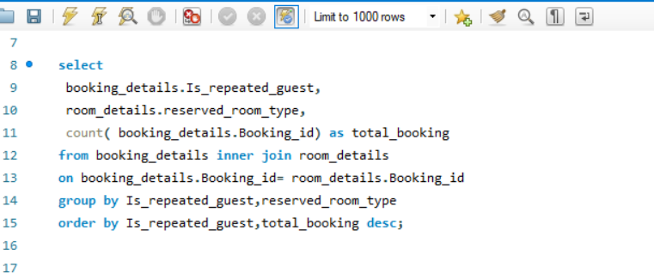
Total booking by reserved room and repeated guest
 | 0 | 1
A | 82921 | 3073
B | 1105 | 13
C | 905 | 27
D | 18832 | 369
E | 6350 | 185
F | 2831 | 66
G | 2029 | 65
H | 589 | 12
L | 6
P | 12

Output
Insight

Key Takeaway:
The business is overwhelmingly reliant on new guests, who primarily book Room Type A. While repeat guests also show a preference for Room Type A, their overall contribution to bookings is minimal. This reinforces the need for strong new customer acquisition strategies, but it also highlights a significant untapped opportunity to encourage repeat bookings, especially for popular room types like A. Understanding why new guests don't become repeat guests could lead to substantial growth.
Is_repeated_guest | reserved_room_type | total_booking
0 | A | 82921
0 | D | 18832
0 | E | 6350
0 | F | 2831
0 | G | 2029
0 | B | 1105
0 | C | 905
0 | H | 589
0 | P | 12
0 | L | 6
1 | A | 3073
1 | D | 369
1 | E | 185
1 | F | 66
1 | G | 65
1 | C | 27
1 | B | 13
1 | H | 12

Sum of total_booking | Column Labels
Row Labels | 0 | 1 | Grand Total
A | 82921 | 3073 | 85994
B | 1105 | 13 | 1118
C | 905 | 27 | 932
D | 18832 | 369 | 19201
E | 6350 | 185 | 6535
F | 2831 | 66 | 2897
G | 2029 | 65 | 2094
H | 589 | 12 | 601
L | 6 |  | 6
P | 12 |  | 12
Grand Total | 115580 | 3810 | 119390

Q.20
Understand the distribution of reservation statuses and calculate summary statistics for reservation status dates.

SQL QUERY
Visualization

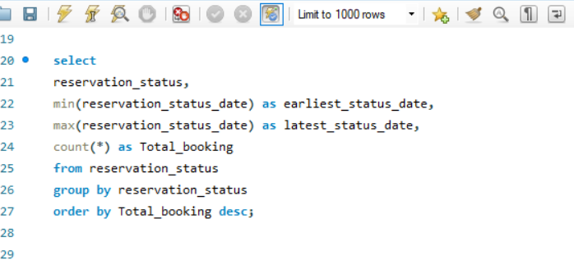
Total booking by reservation_status

Output
Insight

Key Takeaway:
The most significant insight is the very high volume of canceled bookings (43,017), which represents a substantial portion of the total booking activity compared to actual check-outs. This indicates a major challenge with cancellations that could be impacting revenue and resource planning. While a large number of guests successfully check out, the high cancellation rate suggests a need for strategies to reduce cancellations, such as stricter cancellation policies, reconfirmation calls, or personalized offers. The relatively low number of no-shows is positive, but cancellations remain the primary concern.
reservation_status | earliest_status_date | latest_status_date | total_booking
Check-Out | 7/1/15 | 9/14/17 | 75166
Canceled | 10/17/14 | 8/26/17 | 43017
No-Show | 7/2/15 | 8/31/17 | 1207

Q.21
Analyze trends in reservation status dates, including the most common checkout dates and any seasonality patterns.

SQL QUERY

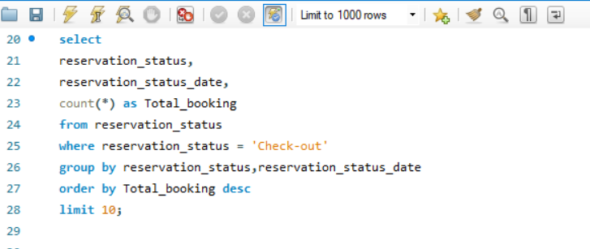

Output
Insight

Summary:
The provided data shows a list of "Check-Out" reservation statuses along with their corresponding dates and the "Total_booking" count for each date. The dates range from late 2015 to early 2017. The "Total_booking" column appears to represent the number of bookings associated with that particular "Check-Out" date, with values generally in the range of 188 to 243.
Key Takeaway:
The data primarily highlights the volume of hotel check-outs on specific dates. It indicates that the booking numbers for these check-out dates were consistently high, generally above 180, suggesting a healthy occupancy or booking rate during the displayed period (late 2015 to early 2017).
reservation_status | reservation_status_date | Total_booking
Check-Out | 12/8/15 | 243
Check-Out | 6/26/16 | 228
Check-Out | 5/29/16 | 225
Check-Out | 2/14/16 | 207
Check-Out | 11/22/15 | 202
Check-Out | 10/16/16 | 194
Check-Out | 12/11/16 | 191
Check-Out | 9/25/16 | 188
Check-Out | 1/19/17 | 188
Check-Out | 3/26/17 | 188

Q.22
Explore how reservation statuses vary across different customer types (e.g., Transient, Group) using Excel or SQL. Calculate cancellation rates by customer type.

SQL QUERY
Visualization

Total booking by customer type
cancelleation rate by customer_type

Insight
Output

Summary:
The data presents booking and cancellation rate information categorized by "customer_type." "Transient" customers account for the vast majority of bookings (89,613) but also have the highest cancellation rate (39.68%). "Transient-Party" customers have a significant number of bookings (25,124) with a moderate cancellation rate (24.55%). "Contract" customers have fewer bookings (4,076) and a cancellation rate of 30.32%. "Group" bookings are the lowest in volume (577) but exhibit the lowest cancellation rate (9.53%).
Key Takeaway:
"Transient" customers are the most prevalent booking type but also represent the highest risk for cancellations. Conversely, "Group" bookings, though fewer in number, are the most reliable in terms of low cancellation rates. This suggests that while individual travelers ("Transient") drive volume, strategic focus on retaining "Group" and potentially "Transient-Party" customers could lead to more stable revenue due to lower cancellation risks.

customer_type | Total_booking | cancellation_rate
Transient | 89613 | 39.68
Transient-Party | 25124 | 24.55
Contract | 4076 | 30.32
Group | 577 | 9.53

Q.23
Investigate whether there are differences in Average Daily Rates (ADR) based on reservation status (e.g., canceled vs. checkedout).

Visualization
SQL QUERY

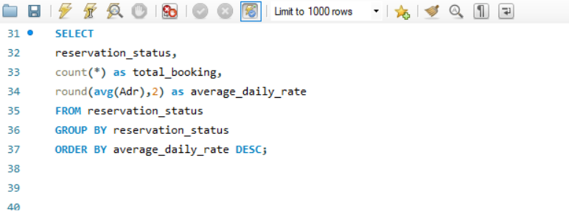
Total booking by reservation_status
ADR by reservation_status

Insight
Output

Summary:
The data categorizes hotel reservation statuses by "Canceled," "Check-Out," and "No-Show," showing the total bookings and average daily rate for each. "Check-Out" bookings represent the largest volume (75,166) with an average daily rate of 99.98. "Canceled" bookings are also significant in number (43,017) and surprisingly have the highest average daily rate (105.21). "No-Show" bookings are the lowest in volume (1,207) with the lowest average daily rate (96.37).
Key Takeaway:
A substantial number of bookings are being canceled, and these canceled bookings actually had a higher average daily rate than completed "Check-Out" stays. This indicates a significant potential for revenue loss from cancellations, particularly from higher-priced bookings. While "Check-Outs" are the primary revenue driver, managing and reducing cancellations, especially those with higher average daily rates, should be a key focus to maximize profitability.
reservation_status | total_booking | average_daily_rate
Canceled | 43017 | 105.21
Check-Out | 75166 | 99.98
No-Show | 1207 | 96.37

Q.24
Compare the distribution of meal plans among different customer types (e.g., Transient, Group) to identify preferences.

SQL QUERY
Visualization

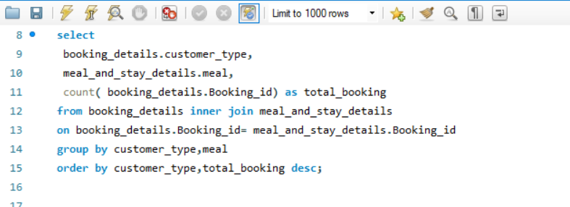
Total booking by customer and meal preferences

Output
Insight

Summary:
This data breaks down the "total_booking" count by "customer_type" and the "meal" plan selected.
Transient customers form the largest group by far, with the majority opting for "BB" (Bed & Breakfast) meal plans (70,692 bookings), followed by "SC" (Self-Catering) and "HB" (Half Board).
Transient-Party customers also heavily favor "BB" (17,859 bookings), with "HB" as the next popular choice.
Contract customers primarily book "BB" (3,260 bookings), followed by "HB."
Group bookings are much lower in volume across all meal types, with "BB" being the most common choice (499 bookings).
"Undefined" and "FB" (Full Board) meal plans have significantly fewer bookings across all customer types.
Key Takeaway:
"Bed & Breakfast" (BB) is overwhelmingly the most preferred meal plan across all customer types, indicating its widespread popularity. "Transient" customers are the dominant segment, and their strong preference for BB should be a key consideration for hotel offerings and marketing. While other meal plans exist, their demand is considerably lower, especially for "Full Board" and "Undefined" options.
customer_type | meal | total_booking
Contract | BB | 3260
Contract | HB | 613
Contract | SC | 183
Contract | Undefined | 15
Contract | FB | 5
Group | BB | 499
Group | SC | 39
Group | HB | 36
Group | Undefined | 2
Group | FB | 1
Transient | BB | 70692
Transient | SC | 9968
Transient | HB | 8020
Transient | FB | 547
Transient | Undefined | 386
Transient-Party | BB | 17859
Transient-Party | HB | 5794
Transient-Party | Undefined | 766
Transient-Party | SC | 460
Transient-Party | FB | 245

meal | (All)

Row Labels | Sum of total_booking
Contract | 4076
Group | 577
Transient | 89613
Transient-Party | 25124
Grand Total | 119390

